Summary
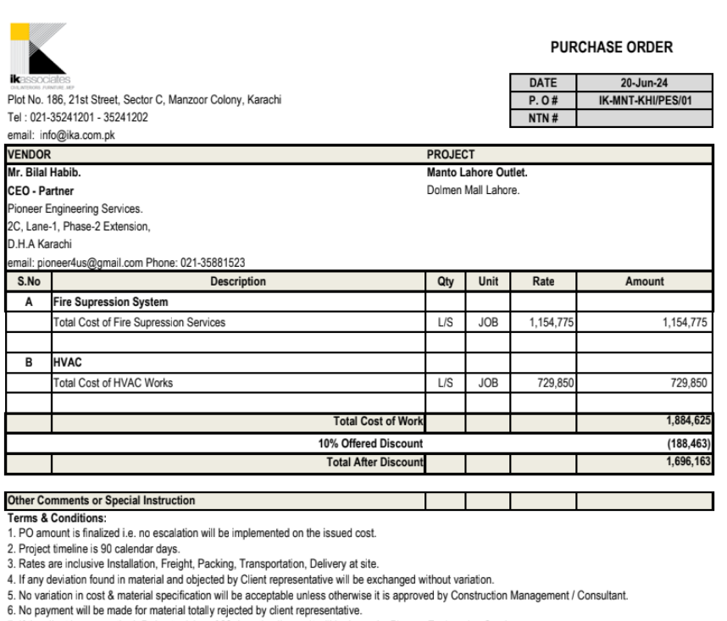

Heating Ventilation & Air Conditioning Services

MANTO DOLMEN MALL LAHORE

Bill of Quantities

SR. # |  |  | Amount

1- | HVAC Work | Rs. | 700,263

2- | Fire Fighting Work | Rs. | 966,121

Grand Total Rs. |  |  | 1,666,384

